Sheet1
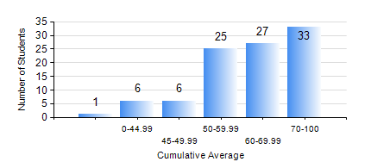
 |  |  | KWAME NKRUMAH UNIVERSITY OF SCIENCE AND TECHNOLOGY, KUMASI Department of Petroleum Engineering

 |  |  | BSC. PETROLEUM ENG.

 |  |  | COMPREHENSIVE RECORD OF EXAMINATION RESULTS

 |  |  | RESULTS OF YEAR 1 SECOND SEMESTER, 2024/2025 ACADEMIC YEAR

 | Sn | Course Code |  | Course Name | Credit Hours | Min. Mark | Max. Mark | Avg. Mark | Std. Dev. | No. Passed | No. Trailed | No. (Df) | No. (I) | No. (I*) | No. Tagged(I,I*,Df) | Total
 | 0. |  |  |  |  |  |  | 0 | 0 | 0 | 0 | 0 | 0 | 0 | 0 | 1
 | 1. | EE 152 |  | BASIC ELECTRONICS | 2 | 38 | 92 | 75 | 11.92 | 96 | 1 | 0 | 0 | 0 | 0 | 97
 | 2. | ENGL 158 |  | COMMUNICATION SKILLS II | 2 | 41 | 79 | 65 | 7.66 | 96 | 0 | 0 | 1 | 0 | 1 | 97
 | 3. | MATH 152 |  | CALCULUS WITH ANALYSIS | 4 | 20 | 92 | 54 | 19.82 | 76 | 21 | 0 | 0 | 0 | 0 | 97
 | 4. | ME 162 |  | BASIC MECHANICS | 3 | 40 | 84 | 63 | 11.99 | 96 | 0 | 0 | 1 | 0 | 1 | 97
 | 5. | PE 154 |  | INTRODUCTION TO PETROLEUM ENGINEERING | 2 | 26 | 85 | 61 | 12.5 | 92 | 4 | 0 | 1 | 0 | 1 | 97
 | 6. | PE 156 |  | PHYSICAL CHEMISTRY FOR ENGINEERS | 2 | 13 | 97 | 73 | 17.49 | 93 | 4 | 0 | 0 | 0 | 0 | 97
 | 7. | PHY 170 |  | GENERAL PHYSICS | 3 | 25 | 87 | 68 | 12.7 | 95 | 1 | 0 | 1 | 0 | 1 | 97

